Sheet1
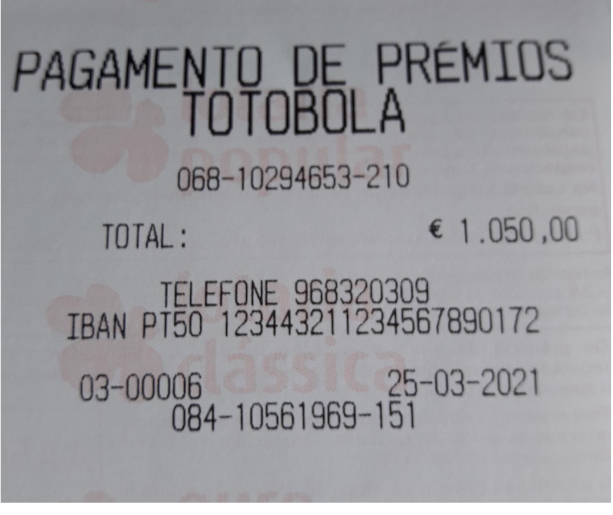
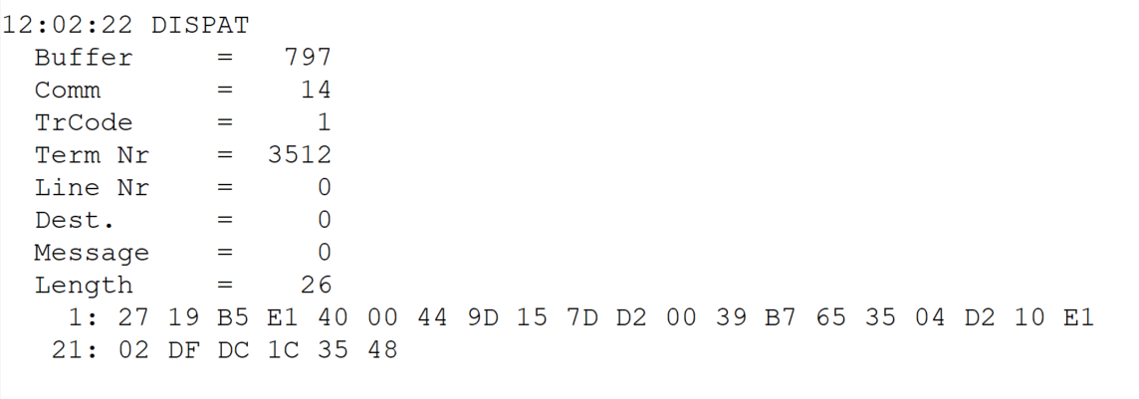
 |  |  |  |  | HEXA | BIN | DEC
TestByte |  | Size | Field Contents
Start | End
1 | 1 | 1 | Control | Sequence | 27 | Control=0010 Sequence=0101 | 2 5 | Control -> x10 - Application Message Sequence -> 5
2 | 2 | 1 | Type = 1 | Subtype = see below | 19 | Type=0001 Subtype=1001 | Type=1 Subtype=9 | Type = 1 Subtype = 9 New Validation Inquery Bank Transfer Accepted
3 | 4 | 2 | Checksum |  | B5 E1
5 | 5 | 1 | Statistics (see below) |  | 40 |  |  | x40 = Reader Entry
6 | 7 | 2 | Wager Julian Date |  | 00 44 |  | 68 | 31+28+9=68
8 | 10 | 3 | Wager Serial Number |  | 9D 15 7D |  | 10294653 | 10294653
11 | 11 | 1 | Wager Check Digits

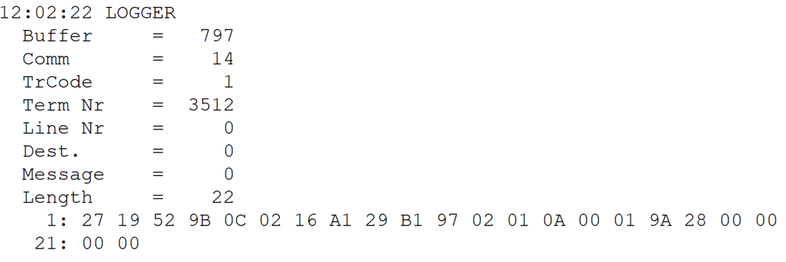
TestByte |  | Size | Field Contents
Start | End
1 | 1 | 1 | Control | Sequence | 27 | Control=0010 Sequence=0111 | 2 7 | Control -> x10 - Application Message Sequence -> 7
2 | 2 | 1 | Type = 1 | Subtype = see below | 19 | Type=0001 Subtype=1001 | Type=1 Subtype=9 | Type = 1 Subtype = 9
3 | 4 | 2 | Checksum |  | 52 9B |  | 51428
5 | 7 | 3 | Time |  | 0C 02 16 |  | 12:02:22 | 12:02:22
8 | 10 | 3 | Validation Serial Number |  | A1 29 B1 |  | 10561969 | 10561969
11 | 11 | 1 | Validation Check Digits |  | 97 |  | 151 | 151
12 | 12 | 1 | Game Type |  | 02 |  | 2 | SPRT - Totobola
13 | 13 | 1 | Game Index |  | 01 |  | 1 | Normal
14 | 14 | 1 | Validation Status |  | 0A |  | 10 | 10 = No Exchange Ticket
15 | 18 | 4 | Cash Amount (Validation Units) |  | 00 01 9A 28 |  | 105000 | 105000 cent = 1050 euros
19 | 22 | 4 | Refund Amount (Validation Units) |  | 00 00 00 00 |  | 0 | 0

